BW Income Statement
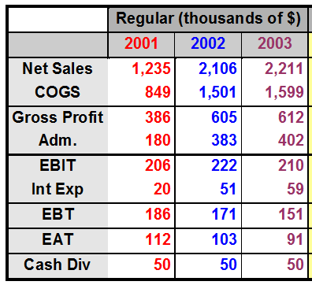
 | Basket Wondors'
Comparative Income Statement

BW Balance sheet
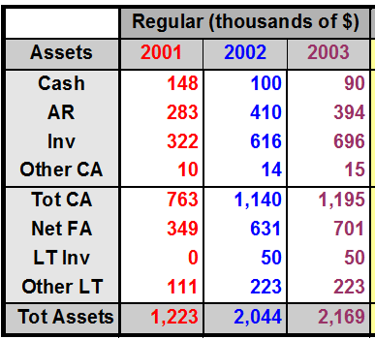
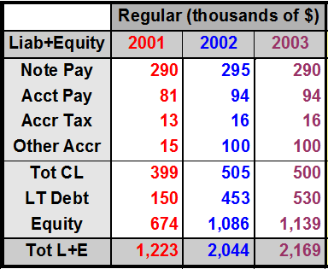
 |  | Basket Wondors'
 | Comparative Balance Sheet
Assets |  |  | Liability and Owner's Equity

Coverage Ratio
$$\frac{EBIT}{Interest Charges}$$
3. Coverage Ratios (Income Statement Ratio)
 |  |  |  |  |  | EBIT stand for Earning Before Interest and Taxes
1 | Interest Coverage Ratios =

 |  |  | EBIT | Interest Expense | Interest Coverage Ratio
 |  | 2001 | $206.00 | $20.00 | 10.30
 |  | 2002 | $222.00 | $51.00 | 4.35
 |  | 2003 | $210.00 | $59.00 | 3.56

 |  |  |  |  | ```

Activity Ratios
4. Activity Ratios
$$\frac{Receivables}{Annual Net Credit Sale}$$
$$\frac{Days in the year}{Receivable Turnover}$$
$$\frac{365}{Receivable Turnover}$$
1 | Receivables Turnover = | Average Collection Period (ACP) = | =
 |  | or Receivables Turnover in days

$$\frac{Accounts Payable}{Annual Net Credit Purchases}$$
$$\frac{Days in the year}{Payables Turnover}$$
$$\frac{365}{Payables Turnover}$$
2 | Payable Turnover = | Payable Turnover in days = | =

$$\frac{Cost of Goods Sold}{Inventory}$$
3 | Inventory Turnover =

$$\frac{Net Sale}{Total Assets}$$
4
 | Total Assets Turnover =

